Instructions
 | Instructions

1 | This chart is for FNF / Bridge only
2 | In the pricing sheet mod we are looking up the transaction type here to get the correct column

 | In this example we will look at the purchase column

3 | Then we are going to look at the Experience tier to find the right group of rows.

 | In this example we will use an experience number of 7
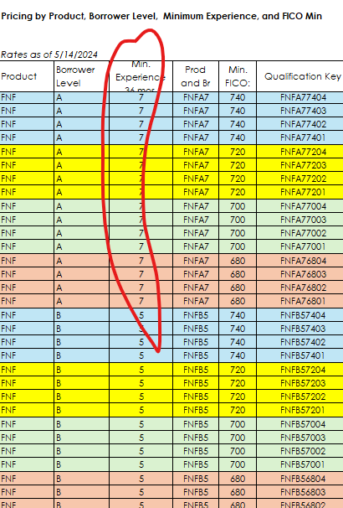

4 | Then we are going to look for the right group of rows that match the credit score range.

 | In this example we will use 740 as the credit score
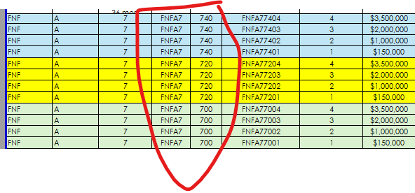

5 | Now we need to take the property value and multiply it by the LTV in each of the column that contains the correct credit score. This will produce a number of values and we then will need to take the values and match it to the correct loan range to loan that produces the highest LTV.

 |  | In this case the property value is 1,200,000

 |  | Min. Loan: | Max. Loan: | LTV
 |  |  |  | Purchase LTV
 |  | $3,500,000 | $4,999,999 | 82.5% | 1,200,000.00 | * | 82.50% | = | 990,000.00
 |  | $2,000,000 | $3,499,999 | 85.0% | 1,200,000.00 | * | 85.00% | = | 1,020,000.00
 |  | $1,000,000 | $1,999,999 | 85.0% | 1,200,000.00 | * | 85.00% | = | 1,020,000.00
 |  | $150,000 | $999,999 | 85.0% | 1,200,000.00 | * | 85.00% | = | 1,020,000.00

 |  | As we want to maximize the LTV we would go with the loan value of 1,200,000 which produces an LTV of 85%

7 | Display the LTV and LTC values on the selected row

8 | For the note rate we are going across on the row that we selected and looking at what state the property is located in.

9 | To determine the state tier we need to look in the state list in the List tab

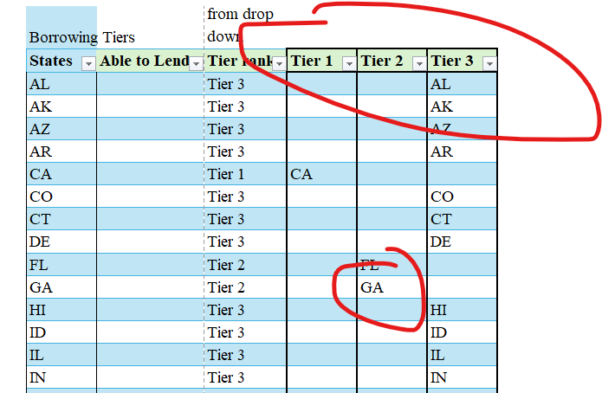

 | In the above if the property is located in GA then it is a tier two state.
 | We go back to the pricing sheet mod and move across the row to the tier 2 state note rate

 | Results:

 | LTV | 85%
 | LTV | 90%
 | Loan Amount | 1,200,000
 | Rate | 9.295

